Formulas
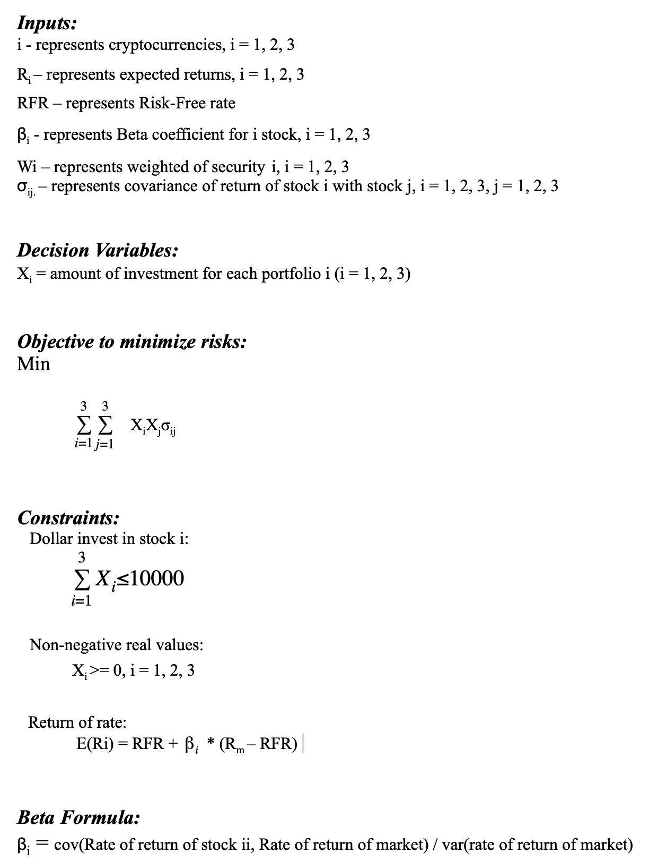
Portfolio Investment formula

